1. Title Page
Instacart Basket Analysis

Project Name: Instacart Basket Analysis
Date: 12/17/2022
Analyst Name: Kevin Campagna

Contents:
Population Flow
Consistency checks
Wrangling steps
Column derivations
Visualizations
Recommendations

2. Population Flow
Title page

Population flow

Exclusion flag
Condition: max_order < 5
Obervations to be removed: 1440295
Final total count of order_products_all: 30964564

Orders_products_combined
Orders_products_merged
Orders_products_all

Total: 32404859
Total: 32434489
Total: 32404859

3. Consistency checks
 |  |  |  | Title page
Consistency checks

Dataset | Missing values | Missing values treatment | Duplicates
orders | 206209 | left | 0
products | 16 | Removed | 5
orders_products_prior | 0 |  | 0
customers | 0 |  | 0

4. Wrangling steps
 |  |  |  | Title page
Wrangling steps

Columns dropped | Columns renamed | Columns' type changed | Comment/Reason
eval_set from df_ords |  |  | unneccesary for analysis
 | order_dow > order_day_of_week |  | changed for clarity
 | days_since_prior_order > days_since_last_order |  | changed for clarity
 |  | order_id changed to string | negated unneccasary descriptive stats
 |  | user_id changed to string | negated unneccasary descriptive stats
 | Surnam > Last Name |  | To match First Name column
 | Fam Status > Marital Status |  | changed for clarity

5. Column derivations
 |  |  |  | Title page

Column derivations and aggregations

Dataset | New column | Column/s it was derived from | Conditions
orders_products_merged | Busiest Days | order_day_of_week | If 2 busiest days "Busiest Day"
 |  |  | If 2 least busy days "Least Busy"
 |  |  | If middle 5 days "Regulary Busy"
orders_products_merged | Price_Rabge | Price | If price < 5 : "Low-Range Product"
 |  |  | If price =< 5 and > 10 : "Mid-Range Product"
 |  |  | If price > 10 : "High-Range Product"
orders_products_merged | busiest_period_of_day | order_hour_of_day | If 8 busiest hours: "Most Orders"
 |  |  | If 8 least busy hours: "Fewest Orders"
 |  |  | If Middle 8 hours: "Average Orders"
Orders_Products_Merged | Max Order | user_id, order_number | Maximum order placed by user
orders_products_merged | Loyalty Flag | Max_order | If Max_order > 40 "Loyal Customer"
 |  |  | If Max_order 10< and >= 40 "Regular Customer"
 |  |  | If Max_orders <10 "New Customer"
orders_products_merged | Average Spending | user_id, prices | Average spending by user
 | Spending Flag | Average Spending | If Average Spending < 10 "Low Spender"
 |  |  | If Average Spending >= 10 "High Spender"
orders_products_merged | median_days_between_orders | user_id, days_since_last_order | Median number of days between orders by user
orders_products_merged | Order_Frequency | user_id, median days between orders | If median_days_between_orders > 20 "Non-Frequent customer"
 |  |  | If median_days_between_orders <= 20 & >10 "Regular Customer"
 |  |  | If median_days_between_orders <= 10 "Loyal Customer"
Cust_ords_prods_Regular_customers | Age_Group | Age | If Age >= 18 & <25 : "College Age"
 |  |  | If Age >= 25 & < 40 : "Early Career"
 |  |  | If Age >= 40 & < 65 : "Middle Age"
 |  |  | If Age >= 65 : "Retirement Age"
Cust_ords_prods_Regular_customers | Family_Status | n_dependants, department id | If department ID = 18 and n_dependants > 0 : "young children"
 |  |  | If department ID != 18 and n_dependants > 0 : "older children"
 |  |  | If department n_dependants = 0 : "no children"
Cust_ords_prods_Regular_customers | Work_Status | income, Age | If income < 100000 and Age < 25 : "student"
 |  |  | If income <100000 and Age > 64 : "retired"
 |  |  | If income >= 100000 and income < 300000 : "mid income"
 |  |  | If income >= 300000 : "high income"
 |  |  | If income < 100000 and Age >= 25 and Age <= 64 : "low income"
Cust_ords_prods_Regular_customers | Region | State | If state in Maine, New Hampshire, Vermont, Massachusetts, Rhode Island, Connecticut, New York, Pennsylvania, or New Jersey : "East"
 |  |  | If state in Wisconsin, Michigan, Illinois, Indiana, Ohio, North Dakota, South Dakota, Nebraska, Kansas, Minnesota, Iowa, Missouri : "Midwest"
 |  |  | If state in Delaware, Maryland, District of Columbia, Virginia, North Carolina, South Carolina, Georgia, Florida, Kentucky, Tennessee, Mississippi, Alabama, Oklahoma, Texas, Arkansas, or Louisiana : "South"
 |  |  | Else : " West"

6. Visualizations
 |  |  |  |  | Title page

Visualisations

 |  | 2. Comparison of order quantity by day of week, |  |  |  | 3. Comparison of order frequency by department.
1. Comparison of customer type by order frequency,
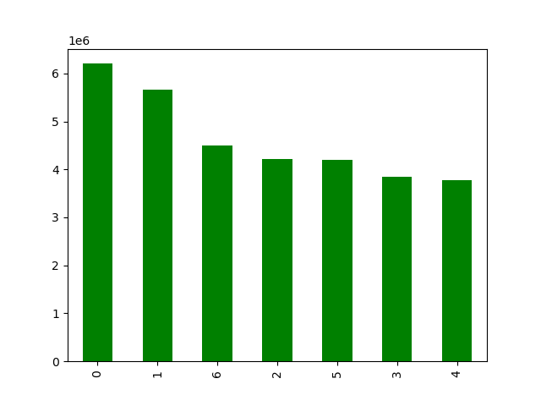

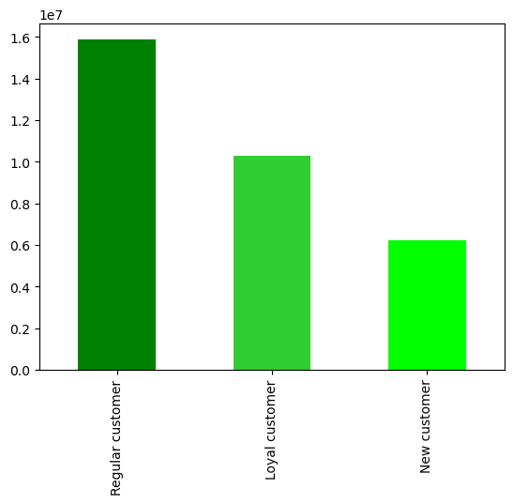
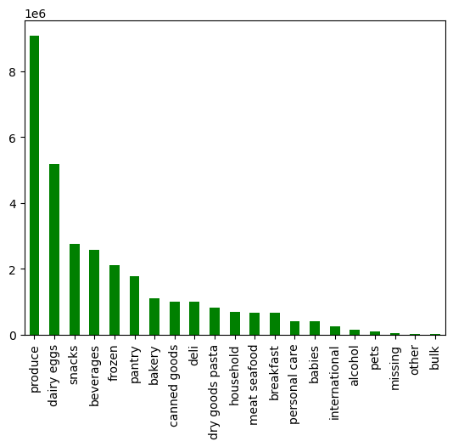

 |  | The busiest days of the week are Saturday and Sunday, followed by Friday. Tuesday and Wednesday are the least busy days of the week. |  |  |  |  | Produce is the most popular department with almost twice as many purchases as the second most popular, dairy and eggs. Alcohol, pets, and bulk items are the least used departments.
Regular customers make up about 60% more of the total customer base than loyalty customets. New customers are the smallest segment, slightly less than half the amount as regular customers.

4. Price of goods ordered by hour of the day |  | 5. Histogram of price counts. |  |  |  |  |  | 6. Price of products ordered by day of week.
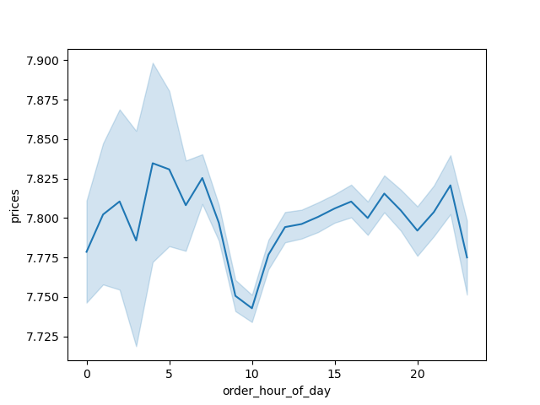

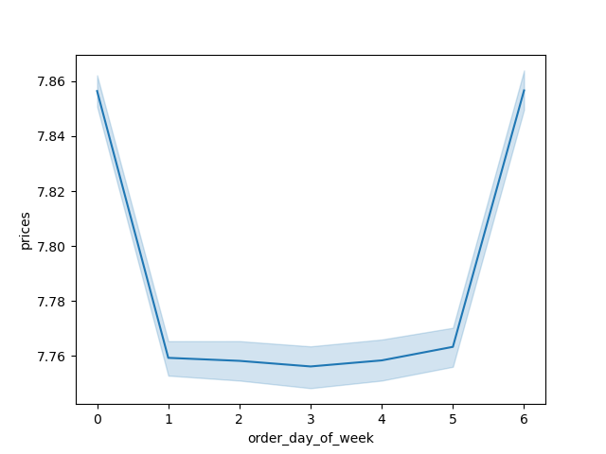

 |  |  | The most popular items in the store have a price tag of $1-$8. There is a severe drop in the amount of purchases of products over $15. |  |  |  |  | The most expensive orders are placed on Friday and Saturday, which indicates that people are stocking up on more expensive things leading into the weekend. Tuesday has the lowest priced orders, but the prices are fairly consistent Sunday through Thursday.
 | The most expensive items are purchased early in the morning, between about 4am and 7am followed by a sharp dropoff at 9am to 12pm, which also coincides with the peak amount of orders. The average is probably driven down by the greater number of items being purchased during these times.

7. Count of customers by region and loyalty flag. |  | 8. Count of customers by age group and loyalty flag. |  |  |  |  | 9. Count of customers by work status and loyalty flag.

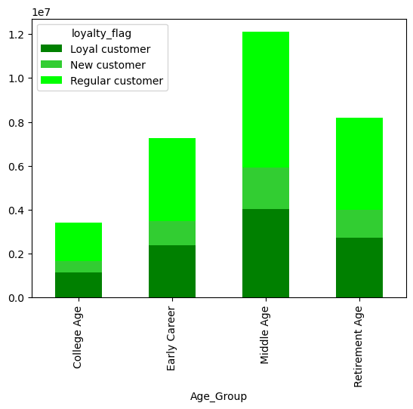
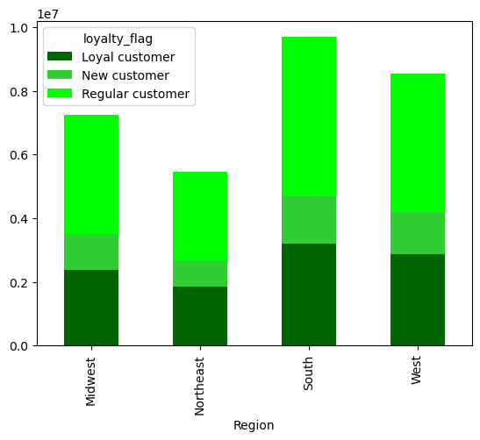
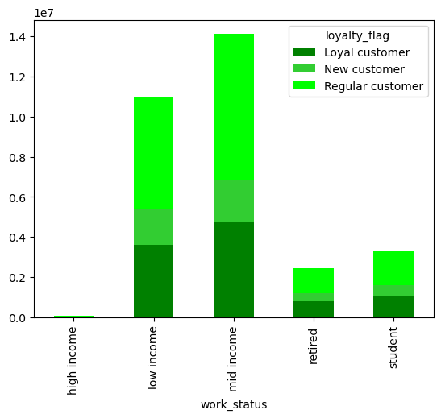

 | The south has the highest number of total customers and loyalty customers, and the percentage of loyalty customers is also slightly behind the west for a strong number two. The Northeast has the fewest customer, and also the one of the smallest percentages of loyalty customers meaning that it has the largest opportunity for growth. |  | Middle aged people make up by far the largest customer base, with retirees coming in at number two. College aged adults have not only the smallest total number of customers, but by far the smallest percentage of new customers, which indicates an opportunity for growth within this demographic. |  |  |  |  | Low and middle income adults make up the bulk of the customer base. The fact that retirement age adults make up the second largest age group, but those with a retirement level income make up nearly the lowest implies that many working seniors are using the service. This would be both a lucrative and socially responsible demographic to market to.

10. Order frequency by hour of the day and loyalty flag. |  |  | 11. Order frequency by hour of the day and region |  |  |  |  | 12. Order frequency by hour of the day and work status.
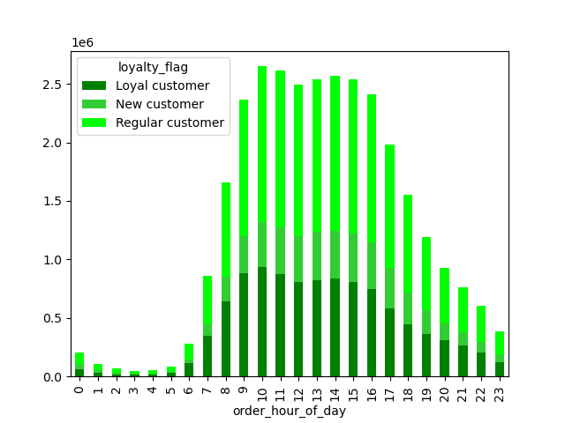
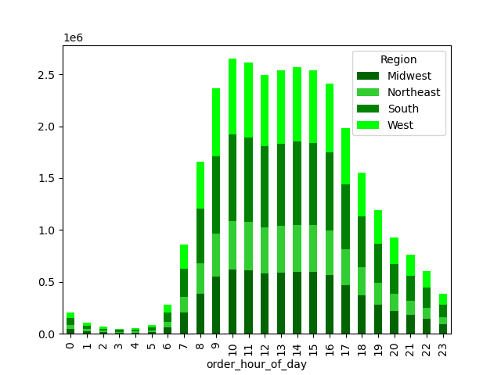
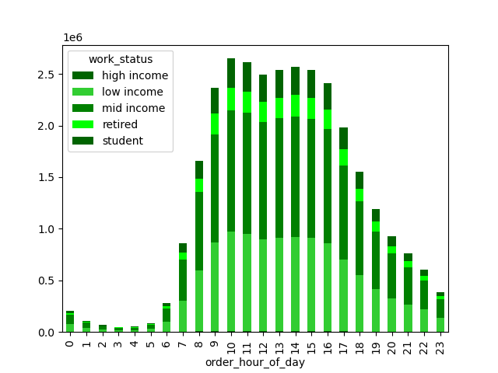

 | The busiest hours of the day are between 9am and 4pm with true peak being 10am-3pm. Regular customers dominate the sales between 12 and 5am, there could be an opportunity for both new and loyalty customers in the early morning. |  |  | There does not seem to be much correlation between region and the hour orders are placed. The west does slightly more shopping than their general proportion in the early morning, and the midwest does slightly more in the evening and at night. |  |  |  |  | Middle income workers shop slightly more than other demographics in the morning, 5-8 am. Retirees and students shop almost exclusively during peak times.

13. Order frequency by departmet and work status. |  |  | 14. Order Frequency by department and Region. |  |  |  |  |  | 15. Order Frequency by department and age group.
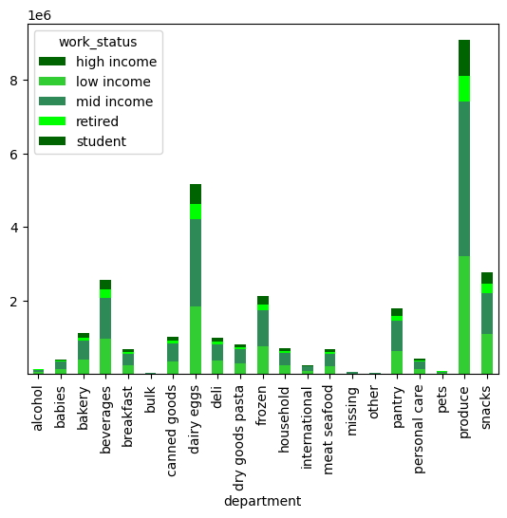
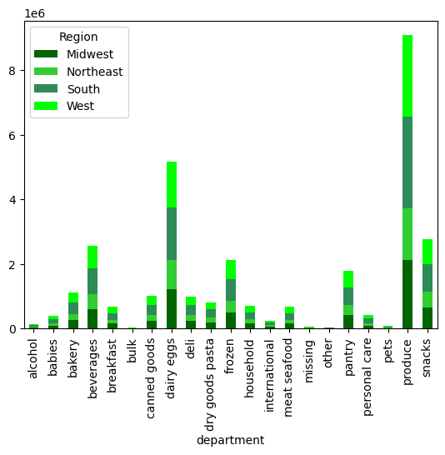
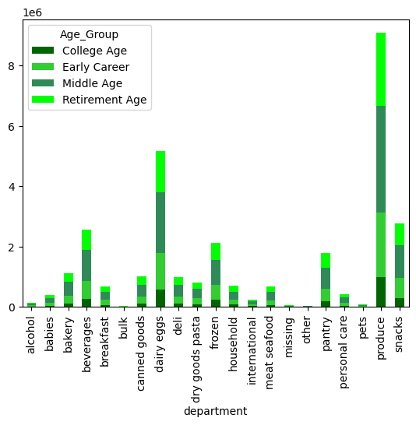

 | Middle income customers use a higher proportion of of meat and seafood, household, bakery, deli, and dry goods. Low income customers use a higher proportion of dairy and eggs, beverages, pantry items, and snacks. Sturdents and retirees use higher proportions of produce (though produce is the highest seller accross demographics), beverages, dairy, and snacks.
 |  |  |  | Northeasterners order a higher number of beverages and snacks, along with a slightly elevated level of frozen and canned goods. Midwesterners order a higher proportion of dairy and frozen items. Everything else is essentially in proportion to the customer levels for each region. |  |  |  |  | College aged customers oder very little bakery, breakfast, dry goods, and personal care items while ordering larger amount of beverages, dairy and snacks. Middle aged customers order higher amounts of bakery items. Retirement aged customers order higher amounts of dairy, beverages, frozen goods, and snacks, and also a slightly higher proportion of produce, though again produce s the leading category by far for all demographics.

7. Recommendations
 |  |  |  |  | Title page

Recommendations

What are the busiest days of the week and hours of the day?

The busiest days of the week are Saturday and Sunday, followed by Friday. Midweek, particulary Tuesday and Wednesday, are the slowest days of the week.

We should target ads for the midweek slow period to improve the total amount of transactions. We should also target promotions aimed at raising average ticket numbers (eg buy one get one half off, 5% off purchases over $100, etc.) for the weekend when customer counts are already high.

The busiest hours of the day are 9:00am to 4:00pm, with the peak coming between 10:00am and 3:00pm. The slowest hours are between midnight and 6:00am.

We should work to leverage more slaes during the before and after work time frames with advertisements during the 6:00am-9:00am and 6:00pm-10:00pm hours. These are times that working people are generally home and able to receive groceries, so adding advertisements during these periods will help to drive sales during slower times. 12:00am-5:00am are going to be slow times intrinsically, but targetting ads for snacks and beverages could show gains. Also incentivising placing orders during these hours with scheduled deliveries during the day would leverage slower sales times and increase order efficiency by already having peak hour orders queued and picked for delivery.

What times of day do customers spend the most money?

The highest priced orders are placed early in the morning, between 4:00am and 8:00am. The lowest priced orders are at the beginning of peak time, between 9:00am and 11:00am. The rest of the day parts see minor peaks and valleys but are reasonably flat.

We should advertise more expensive products early in the morning and later in the evening when customers are already showing a propensity towards pruchasing larger ticket items. We should also incentivise larger ticket items during the later morning when peak times start. It's possible that prices dip at the beginning of peak times because wait times also increase, so incentivising scheduling deliveries during off peak times on orders placed during peak times could help to raise average sales. Advertising more expensive items from 9:00am-11:00am also has the advantage of reaching the largest amount of eyes making it more likely that more people will click and necessitating a lower percentage of customers clicking for a solid ROI.

How can we simplify our price tag groupings?

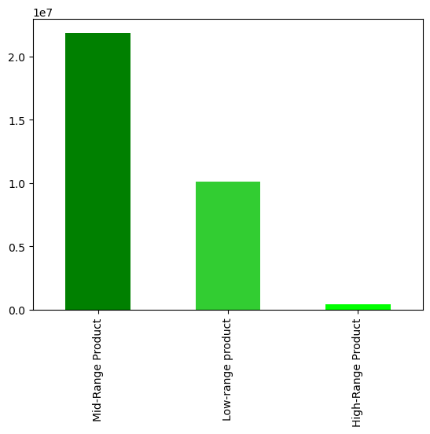

We have divided all products into three price ranges. Low range products are all products under $5, mid-range products are all products between $5 and $15. High range products are everything above $15. Midrange products make up by far the majority of items purchased, more than twice the amount as Low-range products. High range productsmake up a very small percentage of total products.

We should focus on advertising our midrange products as they are by far our highest sellers. Building a promotion giving a price break on a mid or low-range product when a high-range product is purchased would help to drive the amount of high range products purchased without sacrificing too much margin on a less expensive product and drive overall ticket amount in the proccess.

Which products have the highest order frequency?

The produce and dairy departments have the highest order frequency, with produce having as many sales as the next two departments combined. Alcohol, pets, other, and bulk have the fewest sales.

Produce is our biggest seller across all demographics and doesn't necessarily need any marketing help. We should tie our marketting of other, lower performing departments into produce sales. Ads for dry goods and pasta for people purchasing tomatos, breakfast items for people ordering bananas, or beer for people ordering limes would would create symbiotic product matches that would drive up lower performing departments and total average sales.

What's the distribution amongst users in regards to their brand loyalty?

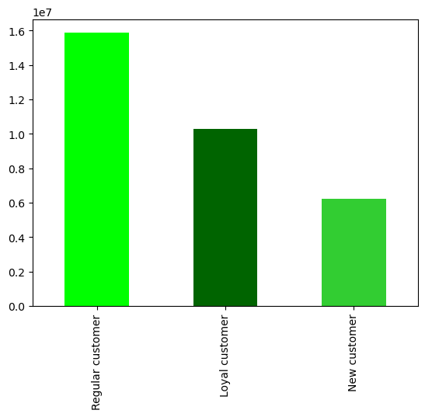

Regular customers make up the largest segment, about 60% more than loyalty customers and just under half of total customers. New customers make up the smallest segment, which follows as you can only be a new customer once. The Northeast has the smallest percentage of new customers while the west has the highest percentage of new customers. The midwest has the highest percentage of loyalty customers, while the south has the lowest. Regions with higher total customer counts have lower loyalty customer counts. College aged customers have the lowest percentage of new customers. Early career aged adults have the highest percentage of loyalty customers. Low income households have a higher percentage of both new and loyal customers, though middle income households make up the largest user base.

Retirement aged households have the second largest customer base, but retirees make up the second lowest work status base which implies that many working seniors use our service. We should market to this segment as our service is taylormade for older people who are also busy.

The majority of our business comes from low and middle income households and middle aged customers. We should create promotions to turn our regular customers at these levels into loyal customers by providing discounts if your next order is placed within ten days of your previous order.

College aged customers and students make up the smallest percentage of our new customers. We should actively market to young, tech savvy people by advertising promotions for first time customers on widely used social media services like Tik Tok and Instagram.

Is there a difference in ordering habits based on a customers region?

 | There does not seem to be a heavy correlation between the time of day an order is placed and the region, though midwesterners tend to shop slightly more in the evening and westerners tend to shop slightly more in the early morning, possibly becausse they are up earlier to interact with east coast family or clients.

 | Northeasterners order higher number of beverages and snacks, along with a slightly elevated level of frozen and canned goods. Midwesterners order a higher proportion of dairy and frozen items. Everything else is essentially in proportion to the customer levels for each region.

 | We should adverstise more to customers on the west coast in the early morning and to those in the midwest in the evening. Beverages, snacks, and frozen goods are popular in the midwest, but also across the regions with college aged customers and retirement aged customers, all target markets based on above reccomendations. Using these departments for our targetted ads and promotions will have appeal accross larger swaths of our target demographics and reduce overhead because of their multipurpose nature.

Is there a connections between age and family status in terms of ordering habits?

 |  |  | Days Since Last Order |  | Prices
 |  |  | Mean |  | Mean
 |  | Family Status |  | Family Status
 |  | No Children | 10.791950511 | No Children | 7.7895497039
 |  | Older Children | 10.83100141 | Older Children | 7.7928567304
 |  | Young Children | 9.7377216347 | Young Children | 7.6476812651

 |  |  | Days Since Last Order
 |  | Age Group | Mean
 |  | College Age | 10.762996605
 |  | Early Career | 10.834014019
 |  | Middle Age | 10.821971518
 |  | Retirement Age | 10.791787929

 | College age customers and retirees order a higher percentage of beverages and snacks. Middle aged customers order more dairy, pantry, and meat/seafood items. Retirement aged customers order the highest percentage of frozen foods.

 | There is no meaningful differenct in time between orders between age groups, but families with young children order a full day sooner on average than any other family status. However they also order the least expensive items on average.

 | We should create a promotion to give a discount on mid-high range priced items with the purchase of an item from the baby department. This will drive up the sales for the customers that place orders the most often.

 | Next Steps

 | In addition to marketing and promotional campaigns above, I suggest that our next steps are to do a deeper dive into the effictiveness of various loyalty progams based on the purchasing habits that we have researched so far. Doing data driven market research into the effecitveness of various types of targetted advertisements, loyalty point programs for purchasing various items, and coupons will allow us to make an informed decision on how to best implement the reccomendations catalogued in this report.

